Sheet1
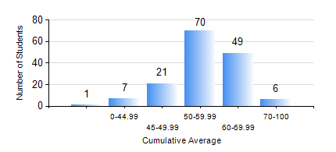
 |  |  | KWAME NKRUMAH UNIVERSITY OF SCIENCE AND TECHNOLOGY, KUMASI Department of Materials Engineering

 |  |  | BSC. METALLURGICAL ENG.

 |  |  | COMPREHENSIVE RECORD OF EXAMINATION RESULTS

 |  |  | RESULTS OF YEAR 2 SECOND SEMESTER, 2021/2022 ACADEMIC YEAR

 | Sn | Course Code |  | Course Name | Credit Hours | Min. Mark | Max. Mark | Avg. Mark | Std. Dev. | No. Passed | No. Trailed | No. (Df) | No. (I) | No. (I*) | No. Tagged(I,I*,Df) | Total
 | 0. |  |  |  |  |  |  | 0 | 0 | 0 | 0 | 0 | 0 | 0 | 0 | 2
 | 1. | MATH 252 |  | CALCULUS WITH SEVERAL VARIABLES | 4 | 32 | 81 | 58 | 8.9 | 151 | 1 | 0 | 0 | 0 | 0 | 152
 | 2. | METE 252 |  | METALLURGICAL RATE PROCESSES/SURFACE PHENOMENA | 3 | 9 | 88 | 59 | 12.16 | 151 | 1 | 0 | 0 | 0 | 0 | 152
 | 3. | METE 254 |  | ORE BENEFICIATION | 4 | 7 | 81 | 64 | 9.69 | 150 | 2 | 0 | 0 | 0 | 0 | 152
 | 4. | METE 256 |  | ASSAYING | 2 | 8 | 84 | 60 | 12.3 | 143 | 9 | 0 | 0 | 0 | 0 | 152
 | 5. | METE 258 |  | COMPUTER PROGRAMMING AND APPLICATIONS | 2 | 17 | 86 | 55 | 12.65 | 150 | 2 | 0 | 0 | 0 | 0 | 152
 | 6. | MSE 252 |  | HEAT AND MASS TRANSPORT | 3 | 3 | 84 | 52 | 14.1 | 131 | 20 | 0 | 1 | 0 | 1 | 152
 | 7. | MSE 260 |  | PHASE TRANSFORMATIONS | 2 | 1 | 85 | 38 | 17.1 | 100 | 52 | 0 | 0 | 0 | 0 | 152

